Substations
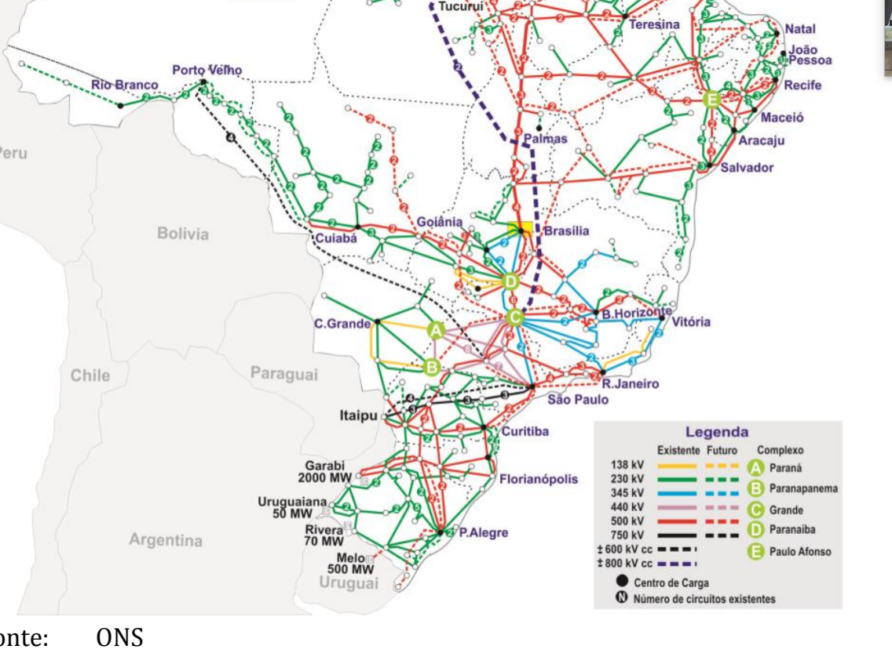
 | MW
Garabi | 2000
Uruguaiana | 50
Rivera | 70
Melo | 500
Total | 2620

